Dashboard
HR ANALYTICS DASHBOARD

Highlights of Employees and Salary Structure

47,928,375
64,681
21,001
126,627
741
Total Salary
Average Salary
Minimum Salary
Maximum Salary
Total Staff

Percentage of Staff by Employee Type More than 50% of the Employees are FullTime
 | No of Staff
Full Time | 374
Contract | 126
Half-Time | 120
Hourly | 121
Total Salary by Employment Type Most of the Salaries are paid to Full Time Staffs
 | Total Salary
Full Time | 34,544,280
Contract | 6,635,909
Half-Time | 3,040,565
Hourly | 3,707,621
Average Salary by Employment Type Our Average Salaried Staffs are mostly FullTime
 | Avg Salary
Full Time | 92,364
Contract | 52,666
Half-Time | 25,338
Hourly | 30,641

Staff Members Per Departments Our highest members ranges from 38 - 151 with Manufacturing Department having the highest
 | No of Staff
Research Center | 5
ADC | 5
Research/Development | 5
Manufacturing Admin | 7
Green Building | 8
Major Mfg Projects | 8
Environmental Health/Safety | 9
Human Resources | 9
Environmental Compliance | 14
Professional Training Group | 16
Training | 17
Creative | 19
Sales | 21
Product Development | 38
IT | 44
Marketing | 51
Facilities/Engineering | 59
Quality Assurance | 73
Account Management | 88
Quality Control | 94
Manufacturing | 151
Average Salary by Departments Most of our average salary staffs are at the Environmental Comp Dept
 | Avg Salary
Human Resources | 38,729
Environmental Health/Safety | 48,757
Manufacturing | 59,289
Creative | 59,463
Major Mfg Projects | 61,426
Research/Development | 61,498
Product Development | 63,011
Quality Control | 63,289
Training | 64,102
Quality Assurance | 64,143
Account Management | 64,812
Green Building | 65,127
Sales | 66,311
Facilities/Engineering | 68,040
ADC | 68,738
Research Center | 69,423
Marketing | 71,603
IT | 73,274
Professional Training Group | 77,326
Manufacturing Admin | 80,343
Environmental Compliance | 81,885

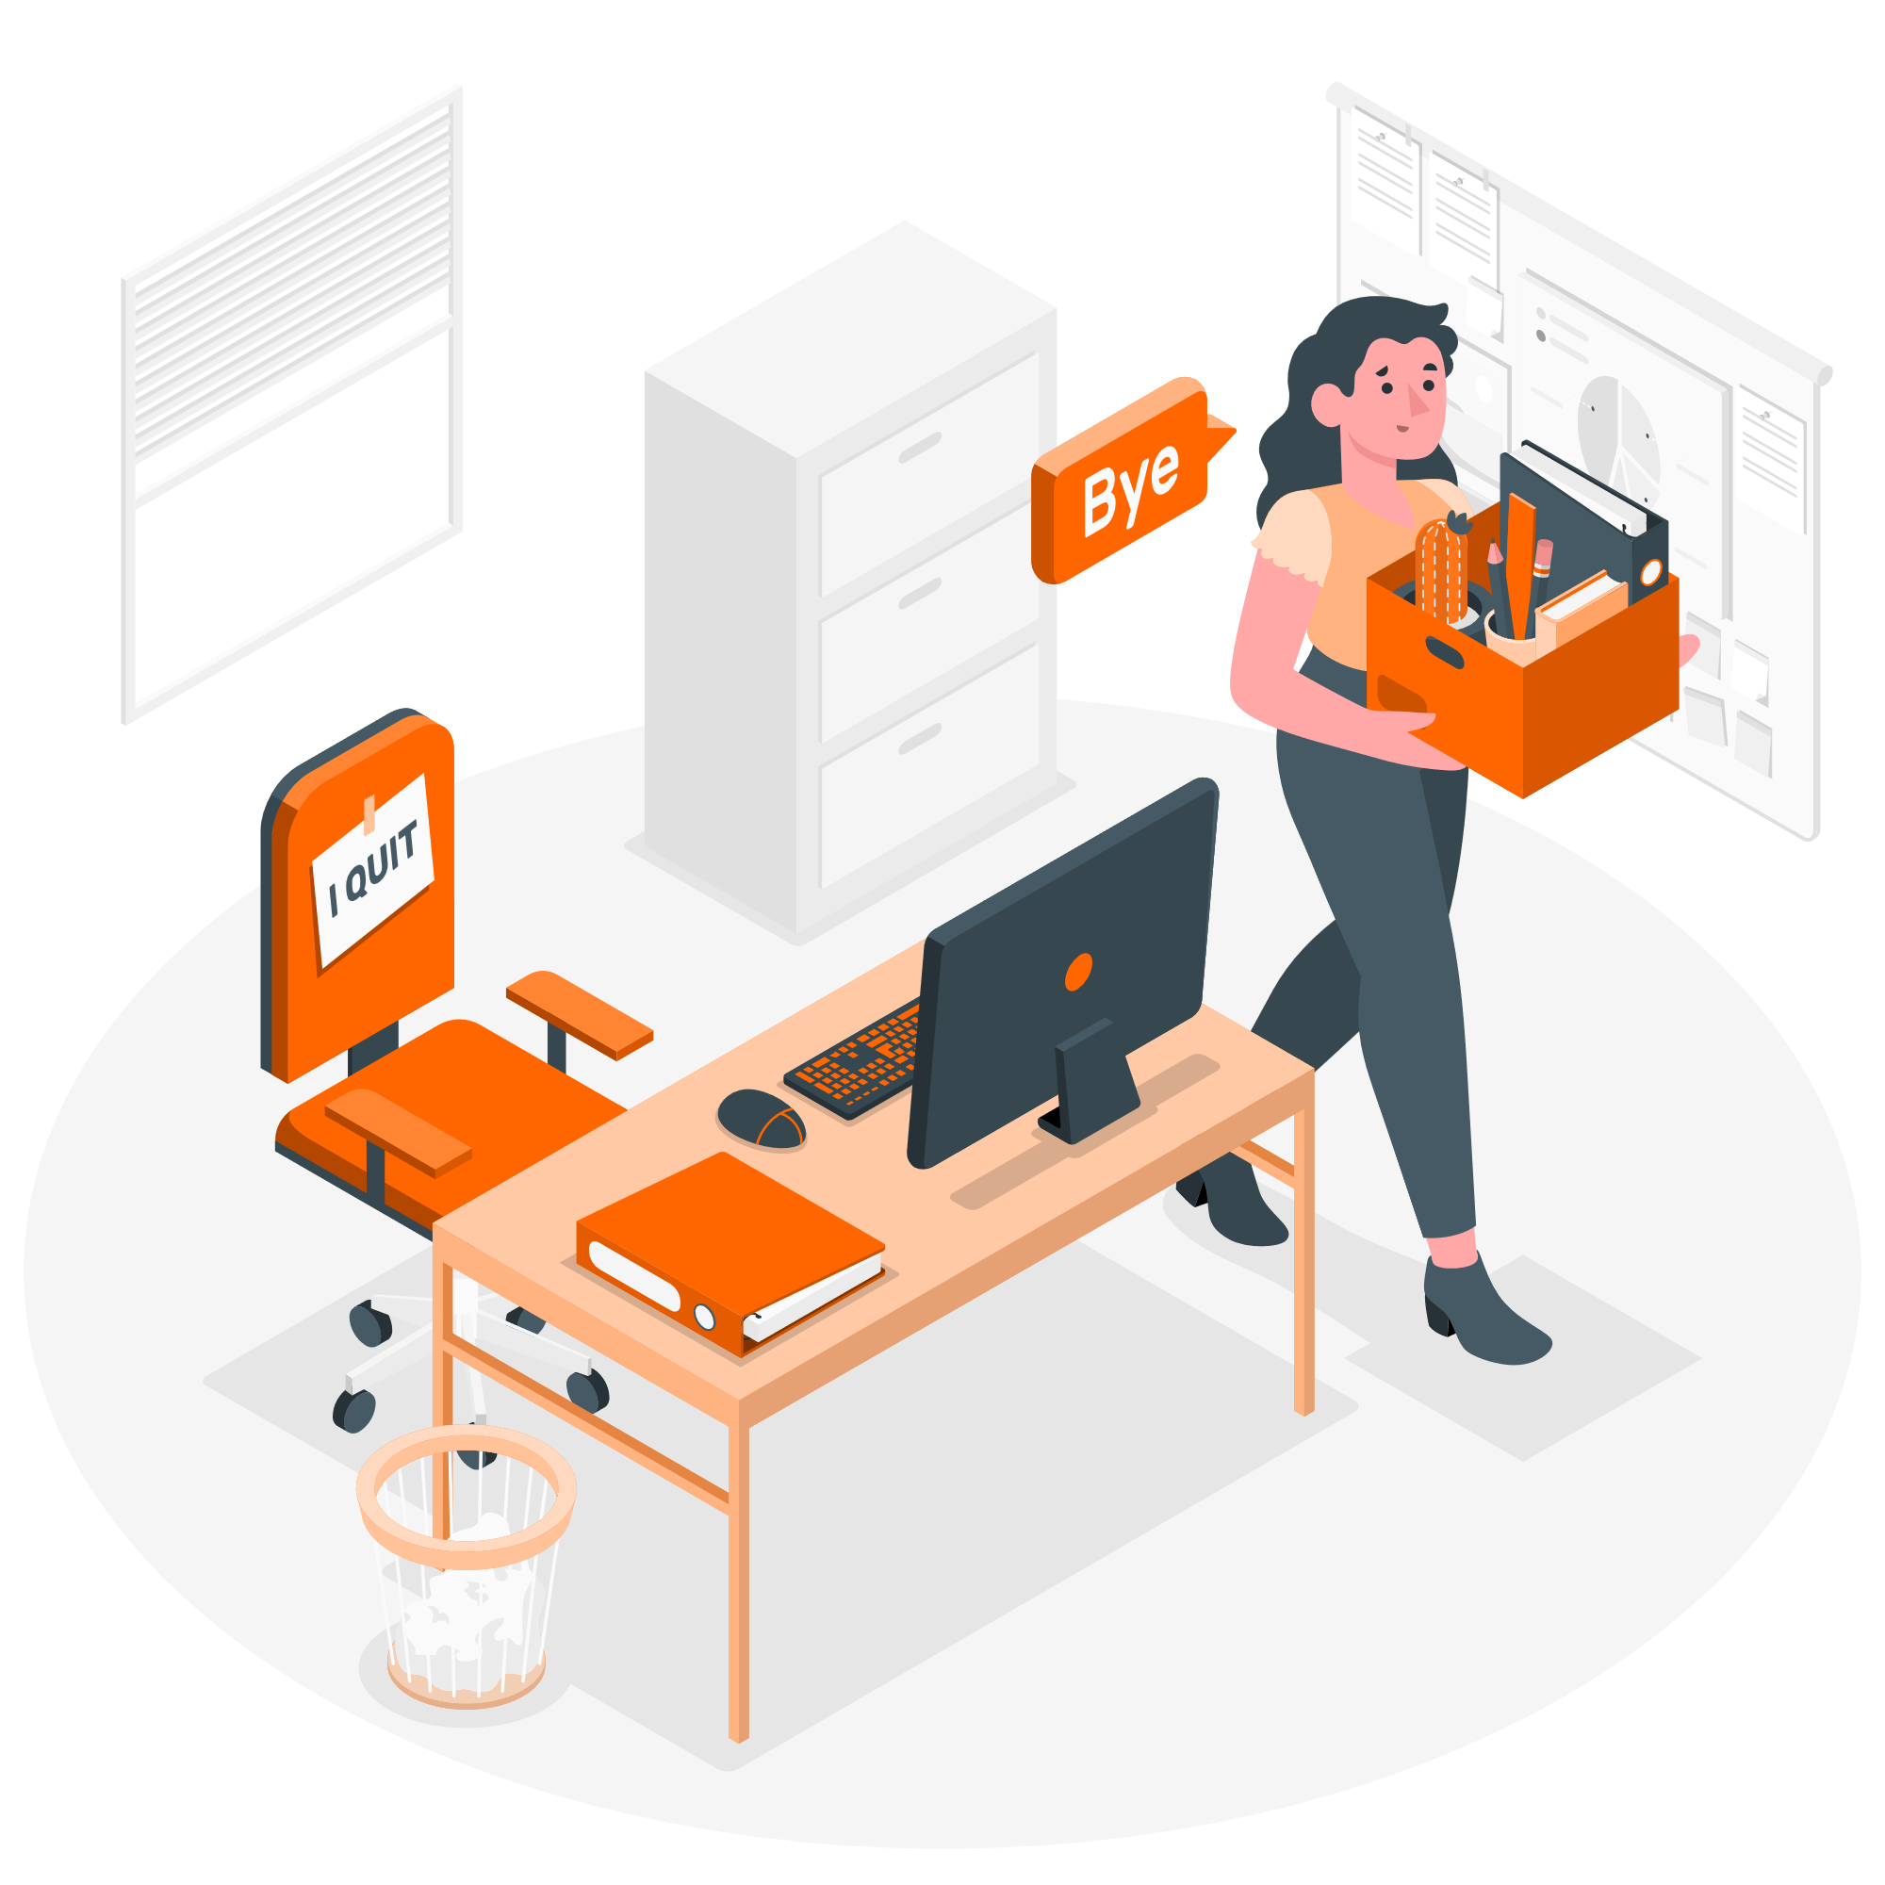


Number of Staffs Employed by Year Our heavy recruitments occurred in 2013 with a repetition in 2016 with 2017 being the second largest.
 | No of Staff
2004 | 63
2005 | 66
2006 | 39
2007 | 26
2008 | 20
2009 | 25
2010 | 15
2011 | 4
2012 | 63
2013 | 92
2014 | 72
2015 | 30
2016 | 92
2017 | 75
2018 | 53
2019 | 6
Department | Full Time | Contract | Half-Time | Hourly
ADC | 237,443 | 106,247 | - | -
Training | 894,587 | 53,818 | 91,548 | 49,782
Environmental Compliance | 1,005,680 | 118,970 | 21,735 | -
Facilities/Engineering | 2,703,621 | 907,456 | 204,263 | 199,048
Green Building | 400,267 | 98,839 | - | 21,910
Environmental Health/Safety | 277,860 | - | 128,574 | 32,375
Creative | 665,006 | 222,567 | 77,418 | 164,800
Human Resources | 102,929 | 101,805 | 101,081 | 42,745
Product Development | 1,734,390 | 321,519 | 128,676 | 209,816
Major Mfg Projects | 386,690 | - | 104,715 | -
Manufacturing | 5,993,961 | 1,351,006 | 671,020 | 936,649
Manufacturing Admin | 484,787 | 55,378 | - | 22,235
Marketing | 2,970,372 | 382,976 | 210,177 | 88,228
Sales | 931,271 | 284,577 | 27,136 | 149,557
IT | 2,630,087 | 250,813 | 133,875 | 209,262
Professional Training Group | 1,080,602 | 63,463 | 55,124 | 38,032
Account Management | 4,152,712 | 725,487 | 379,206 | 446,010
Quality Assurance | 3,454,688 | 504,367 | 333,053 | 390,298
Quality Control | 4,072,871 | 856,973 | 345,924 | 673,413
Research Center | 254,052 | 59,600 | - | 33,461
Research/Development | 110,404 | 170,048 | 27,040 | -

